ATODecayCurves
Calculate ATO Decay Curves

ATO Weighting
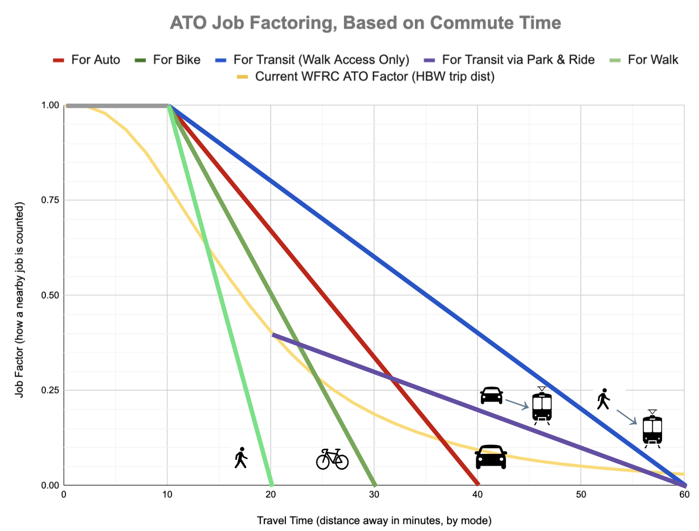
parameters:
 | auto | w_transit | d_transit | bike | walk
min | 10 | 10 | 20 | 10 | 10
max | 40 | 60 | 60 | 30 | 20

;min | auto | w_transit | d_transit | bike | walk
0 | 1 | 1 | 0 | 1 | 1
1 | 1 | 1 | 0 | 1 | 1
2 | 1 | 1 | 0 | 1 | 1
3 | 1 | 1 | 0 | 1 | 1
4 | 1 | 1 | 0 | 1 | 1
5 | 1 | 1 | 0 | 1 | 1
6 | 1 | 1 | 0 | 1 | 1
7 | 1 | 1 | 0 | 1 | 1
8 | 1 | 1 | 0 | 1 | 1
9 | 1 | 1 | 0 | 1 | 1
10 | 1 | 1 | 0 | 1 | 1
11 | 0.9667 | 0.98 | 0 | 0.95 | 0.9
12 | 0.9334 | 0.96 | 0 | 0.9 | 0.8
13 | 0.9001 | 0.94 | 0 | 0.85 | 0.7
14 | 0.8668 | 0.92 | 0 | 0.8 | 0.6
15 | 0.8335 | 0.9 | 0 | 0.75 | 0.5
16 | 0.8002 | 0.88 | 0 | 0.7 | 0.4
17 | 0.7669 | 0.86 | 0 | 0.65 | 0.3
18 | 0.7336 | 0.84 | 0 | 0.6 | 0.2
19 | 0.7003 | 0.82 | 0 | 0.55 | 0.1
19.9999 | 0.667 | 0.8 | 0 | 0.5 | 0
20 | 0.667 | 0.8 | 0.4 | 0.5 | 0
21 | 0.6337 | 0.78 | 0.39 | 0.45 | 0
22 | 0.6004 | 0.76 | 0.38 | 0.4 | 0
23 | 0.5671 | 0.74 | 0.37 | 0.35 | 0
24 | 0.5338 | 0.72 | 0.36 | 0.3 | 0
25 | 0.5005 | 0.7 | 0.35 | 0.25 | 0
26 | 0.4672 | 0.68 | 0.34 | 0.2 | 0
27 | 0.4339 | 0.66 | 0.33 | 0.15 | 0
28 | 0.4006 | 0.64 | 0.32 | 0.1 | 0
29 | 0.3673 | 0.62 | 0.31 | 0.05 | 0
30 | 0.334 | 0.6 | 0.3 | 0 | 0
31 | 0.3007 | 0.58 | 0.29 | 0 | 0
32 | 0.2674 | 0.56 | 0.28 | 0 | 0
33 | 0.2341 | 0.54 | 0.27 | 0 | 0
34 | 0.2008 | 0.52 | 0.26 | 0 | 0
35 | 0.1675 | 0.5 | 0.25 | 0 | 0
36 | 0.1342 | 0.48 | 0.24 | 0 | 0
37 | 0.1009 | 0.46 | 0.23 | 0 | 0
38 | 0.0676 | 0.44 | 0.22 | 0 | 0
39 | 0.0343 | 0.42 | 0.21 | 0 | 0
40 | 0 | 0.4 | 0.2 | 0 | 0
41 | 0 | 0.38 | 0.19 | 0 | 0
42 | 0 | 0.36 | 0.18 | 0 | 0
43 | 0 | 0.34 | 0.17 | 0 | 0
44 | 0 | 0.32 | 0.16 | 0 | 0
45 | 0 | 0.3 | 0.15 | 0 | 0
46 | 0 | 0.28 | 0.14 | 0 | 0
47 | 0 | 0.26 | 0.13 | 0 | 0
48 | 0 | 0.24 | 0.12 | 0 | 0
49 | 0 | 0.22 | 0.11 | 0 | 0
50 | 0 | 0.2 | 0.1 | 0 | 0
51 | 0 | 0.18 | 0.09 | 0 | 0
52 | 0 | 0.16 | 0.08 | 0 | 0
53 | 0 | 0.14 | 0.07 | 0 | 0
54 | 0 | 0.12 | 0.06 | 0 | 0
55 | 0 | 0.1 | 0.05 | 0 | 0
56 | 0 | 0.08 | 0.04 | 0 | 0
57 | 0 | 0.06 | 0.03 | 0 | 0
58 | 0 | 0.04 | 0.02 | 0 | 0
59 | 0 | 0.02 | 0.01 | 0 | 0
60 | 0 | 0 | 0 | 0 | 0
61 | 0 | 0 | 0 | 0 | 0
62 | 0 | 0 | 0 | 0 | 0
63 | 0 | 0 | 0 | 0 | 0
64 | 0 | 0 | 0 | 0 | 0
65 | 0 | 0 | 0 | 0 | 0
66 | 0 | 0 | 0 | 0 | 0
67 | 0 | 0 | 0 | 0 | 0
68 | 0 | 0 | 0 | 0 | 0
69 | 0 | 0 | 0 | 0 | 0
70 | 0 | 0 | 0 | 0 | 0
71 | 0 | 0 | 0 | 0 | 0
72 | 0 | 0 | 0 | 0 | 0
73 | 0 | 0 | 0 | 0 | 0
74 | 0 | 0 | 0 | 0 | 0
75 | 0 | 0 | 0 | 0 | 0
76 | 0 | 0 | 0 | 0 | 0
77 | 0 | 0 | 0 | 0 | 0
78 | 0 | 0 | 0 | 0 | 0
79 | 0 | 0 | 0 | 0 | 0
80 | 0 | 0 | 0 | 0 | 0
81 | 0 | 0 | 0 | 0 | 0
82 | 0 | 0 | 0 | 0 | 0
83 | 0 | 0 | 0 | 0 | 0
84 | 0 | 0 | 0 | 0 | 0
85 | 0 | 0 | 0 | 0 | 0
86 | 0 | 0 | 0 | 0 | 0
87 | 0 | 0 | 0 | 0 | 0
88 | 0 | 0 | 0 | 0 | 0
89 | 0 | 0 | 0 | 0 | 0
90 | 0 | 0 | 0 | 0 | 0
91 | 0 | 0 | 0 | 0 | 0
92 | 0 | 0 | 0 | 0 | 0
93 | 0 | 0 | 0 | 0 | 0
94 | 0 | 0 | 0 | 0 | 0
95 | 0 | 0 | 0 | 0 | 0
96 | 0 | 0 | 0 | 0 | 0
97 | 0 | 0 | 0 | 0 | 0
98 | 0 | 0 | 0 | 0 | 0
99 | 0 | 0 | 0 | 0 | 0
100 | 0 | 0 | 0 | 0 | 0

